Insights
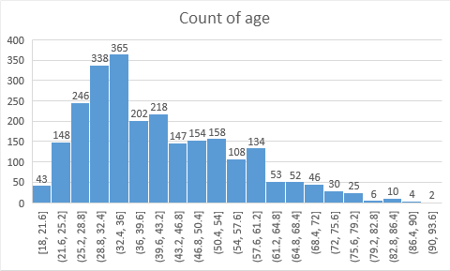
Age vs Term Deposit |  |  |  | Job type vs Term Deposit |  | People with NO defaults tend to have more deposits then people with defaults | No. of contacts in this campaign
 |  |  |  | Admin | 281 |  | For YES
 |  |  |  | Blue collar | 334 | No. of Contacts in previous campaign
 |  |  |  | Entrepreneur | 62 | For YES
 |  |  |  | housemaid | 48 | 0 times contacted 1569
 |  |  |  | management | 616 | 1 times contacted 302
 |  |  |  | retired | 254
 |  |  |  | self | 100
 |  |  |  | service | 182 | People with income between -510 & 2040 have highest no. of term deposits
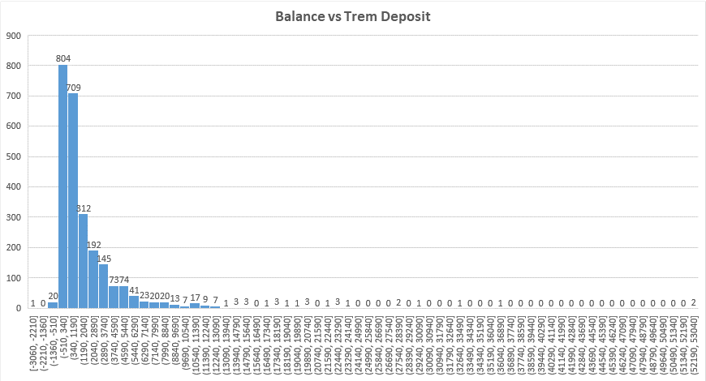
 |  |  |  | student | 140
 |  |  |  | technician | 396
 |  |  |  | unemployed | 104
 |  |  |  | unknown | 19

Between 21-60 max people do term deposit

Marital vs term deposit |  | Education vs term deposit |  | COMMUNICATION TYPE
Single | 916 | Primary | 282 | CELLULAR | 2113
Married | 1320 | secondary | 1168 | TELEPHONIC | 195
Divorced | 292 | tertiary | 964 | UNKNOWN | 228
 |  | unknown | 112

PERSONAL LOAN
Out of 2536 YES in TRAIN Dataset we have 2305 people with NO housing loan and 217 with YES personal loan.

HOUSING LOAN
Out of 2536 YES in TRAIN Dataset we have 1633 people with NO housing loan and 903 with YES housing loan.

